2.a Event planning steps
Promotion and event planning steps
2017-07-20
Steps to plan an event
 | Name | Things to consider: (Note, this varies based on the size of the event, the figures below are averages for small to medium sized events)
 | Create an event form (template in S drive) | 5+ weeks beforehand
 | Fill it with the necessary details: Date, time, location, number of attendees/participants, size of room needed, catering ect | 5+ weeks beforehand
5 weeks before
 | Book the room (if necessary) | 5+ weeks beforehand
 | Book parking spaces (if necessary) | 5+ weeks beforehand
 | Create promotional material | 4+ weeks beforehand
 | Send out promotional material | 4 weeks beforehand with reminders just before
4 weeks before
 | Obtain communication evidence before and after the event
 | Record lessons and tips for the future | After the event

Send out promotional material continued
 | Create posters or other fun notice
 | Put posters up at all campuses
Before and after the event
 | Send posters in internal mail to campus managers
 | Put on Twitter and Facebook as posts and possibly as headers
 | Send to EdNapNews | For lift, intranet news, ect
 | Send to Enquiries | For MyNapier
 | Put up on digital signage | For TV screens
 | Check out other options in 'communication options' tab

2.d Hints and tips
Hints and Tips for planning promotion
2017-07-20
USEFUL TOOLS
Design
Name | Description | Link or location | Tips
CANVA | Easy to use free online design program. Excellent for creating posters, bicycle tags, TV screen images and so forth. | https://www.canva.com/ | When using a full page photo, download the highest resolution to avoid pixelation.
Pixlr | Free online photo editor | https://pixlr.com/desktop
Photoshop | Image editor | Edinburgh Napier University Application window. Click on: Faculty of Engineering, Computing and Creative Industries. Click on: School of computing. The application should be located in the top row.
Paint | Image editor
Gimpshop | Image editor, free alternative to photoshop | http://www.gimpshop.com/ | Very slow program and difficult to understand. But may be useful for someone who has Photoshop experience.
Autodesk DWG TrueView 2016 | Free download available. Helps you create and edit building drawings and plans. | To get a PDF from this program click on the following: - Plot (icon of printer) -Select: Cute PDF printer, paper size (of your choosing) - For 'What to plot' click: extents. - Plot styles table: click: monochrome (if you want black and white) - Then shade plot 'Legacy wireframe' (for picture clarity) - Then untick 'plot object lineweights'
Help and Advice Forums
Name | Description | Link or location
JISC Mail | A JISCMail list is essentially a mailing list. Each JISCMail list holds the email addresses of anyone that has signed up to it. If you send an email addressed to a JISCMail e.g. IHAVEAQUESTION@JISCMAIL.AC.UK that email will go to everyone signed up to that list. You will not however, be able to see the individual email addresses of others signed up to that list, nor will anyone else be able to see your individual email address. They will only see the JISCMail address. This means you can engage with the community on that list, without sharing your email with the unknown. The JISCMail posts are also carefully monitored by the EAUC to ensure appropriate content and use by all members. There are many distribution lists available such as: EAUC UK All members, EAUC Scotland UCCCfS, Community Engagement TSN, Energy TSN, Education for Sustainable Development (FE) TSN, Sustainable Construction TSN, Sustainable ICT TSN, Sustainable Procurement TSN, Travel & Transport TSN, Waste TSN | To register: info@eauc.org.uk
TIPS
Name | Description | Link or location
Fairtrade producer visit | Two Fairtrade producers from Mauritius came to visit the University on March 3rd 2015. The producers spent most of their time in the reception area but they were also scheduled to talk in a classroom for 15 minutes. Unfortunately there was no audience for the talk. In the future it would be useful to consider arranging the producers to speak in a relevant class (such as at the start of a lecture), rather than have an audience meet in a certain room.
Date and timing of events | It is best to alternate dates and timings of similar events because staff and student members don't all work on the same days. For example: it would be best to hold quarterly Swishes during different days of the week and different times to ensure the greatest number of people can attend at least one event.
Messages from external organisations | Messages from external organisations can be altered to suit University digital signage screens and branding. Wording, layout ect can be changed.
Promotion within the Unversity | Promotion done within the University needs to be monitored for errors. It is useful to encourage other University departments (such as ERC) to re-communicate certain information before a major event, activity ect, whenever it is appropriate. It is up to the Environmental Sustainability Team to remember these points. Also, the University requires that all promotion follow certain brand guidelines. These can be found on the staff intranet, page 42 of the document "Edinburgh Napier University's Brand Guidelines" | http://staff.napier.ac.uk/services/corporateaffairs/exchange/Documents/edinburgh-napier-brand-guidelines.pdf | Or, follow these links: Edinburgh Napier Staff Intranet > Service Depts > Marketing, Brand and Communications > Marketing Exchange > Brand Guidelines
USEFUL WEBSITES
Name | Description | Link or location |  | Example 1 |  | Example 2
Hootsuite | HootSuite allows for managing social media accounts, using this tool, you can schedule Twitter and Facebook posts ahead of time. As well, it provides analytics for all the social media accounts linked to the website. | https://hootsuite.com/ | Issues: Scheduled posts with images need to be opened by Twitter followers in order to be seen (Circled in Example 1). Also, a mysterious link appears in the post (underlinedExample 1). Although this website is useful, it is better to post anything with images separately in order for the image to be seen immediately, this may influence the number of 're-tweets' and 'favourites' it receives (Example 2). |  | 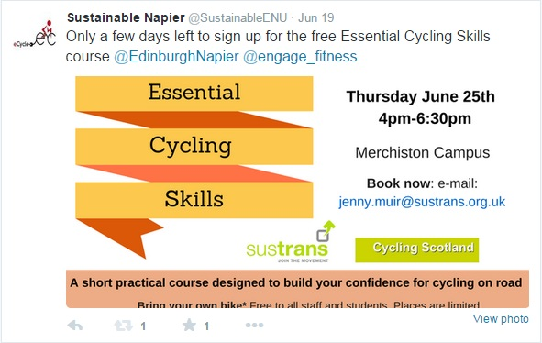
Mailchip | Mailchimp is a great website for designing newsletters. It is free and easy to use. Try to keep the tone chatty and conversational. Use other newsletter's as examples. | http://mailchimp.com/

General tips:
Ensure the University is labelled as "Edinburgh Napier University" not "Napier University"
Asset bank stores good quality images created by the University photographer
Keys for poster cabinets in the Sighthill lecture hallways can be found with the Faculty Operations Manager in 2.B.23
The internal mail service can be used to send posters to Campus managers based at the other two campuses
It is useful to make posters regarding static information relating to the team (eCycle hire ect) for digital sigange screens.

